Sheet1
Manufacturer: | AMP/TE
Ecu connector 7-967288-1
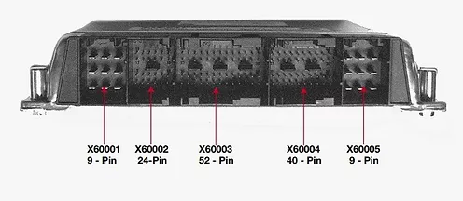

 | Part number | Mouser
Small pin: | 968221 | 571-968221-7

